DFD 5.0 Data Flow Diagram
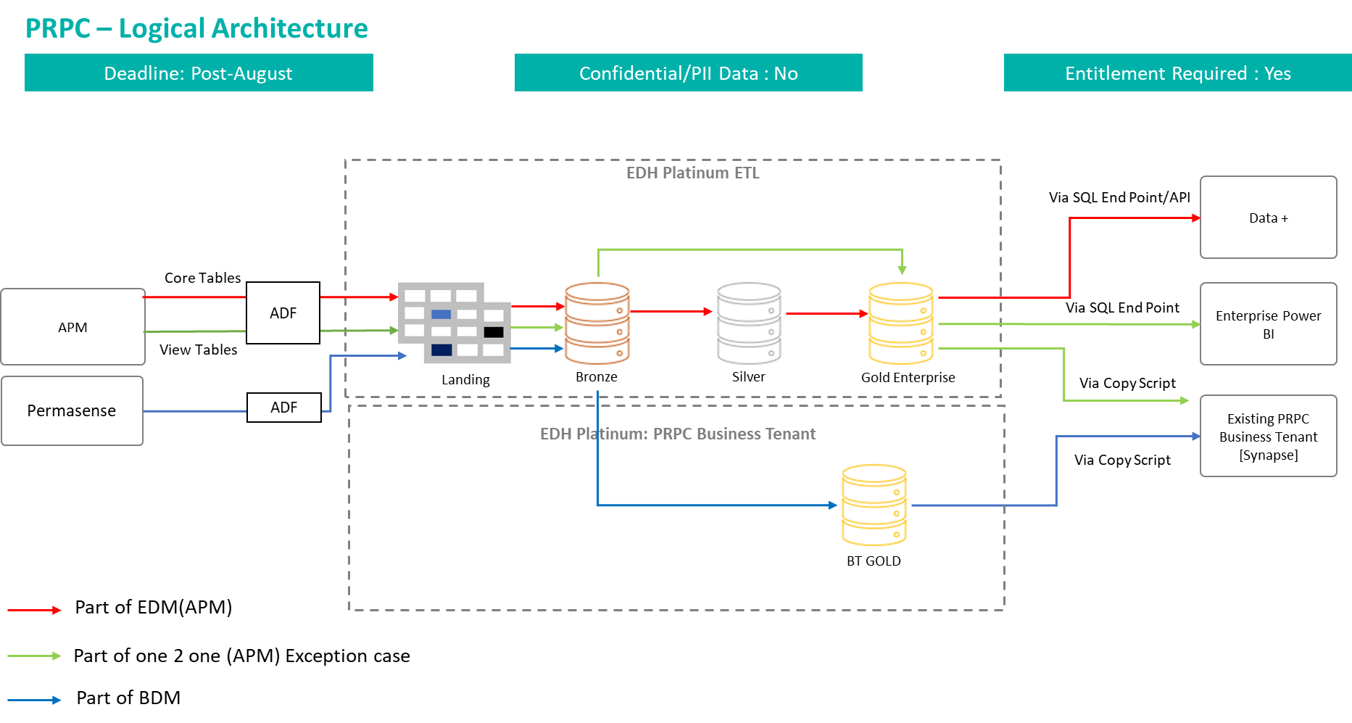
DATA FLOW DIAGRAM (DFD) TEMPLATE for <Project Name>

Instruction-Data Quality
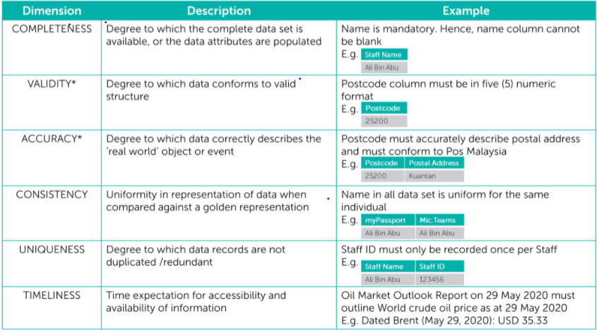
No. | Instruction Details For Data Quality Templates
1 | Tab DQ 1.0 (Business Case Template): A template for Data Delivery team to fill up with the relevant details to rationalize business benefits of having good quality of data.
2 | Tab DQ 2.0 (Data Quality Rules Template): A template to be filled up by mapping data quality rules based on the six (6) PETRONAS Data Quality Dimensions for establishment of Data Quality Rules. Note: Should there's a need to define a rule for Timeliness dimension, the following criteria must be met and must have the element of 'time/date-related attribute' and 'to support which activity: (i) There must be a dedicated attribute/column that stored time/date-related value within the source system/database that we can quantify against it to determine whether the data is provided on a timely manner, or the data is up-to-date. Example is 'Date', 'Captured Time', 'Submitted On' (ii) The rule must be defined to the granular details. Example: (a) Data must be submitted before the 5th of every month to support KPI reporting generation for Tanker Meeting (b) Last date for data submission is on the last day of each month
3 | Data Quality Rules Template will need to be approved by Data Steward before proceeding with Data Profiling / Health Check by Data Quality Engineer
4 | The approved Data Quality Business Rules to be published in House of PDSQ

*Note | The Data Quality Rules Template is to make reference to PDSQ Management Procedure (Version 1.0)

 | Data Quality is being measured against PETRONAS six (6) data quality dimensions as below:

